Maq 1
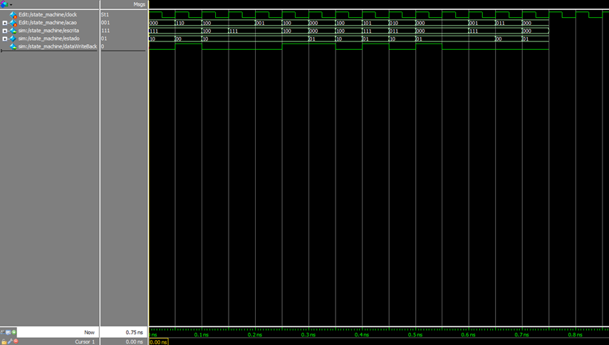
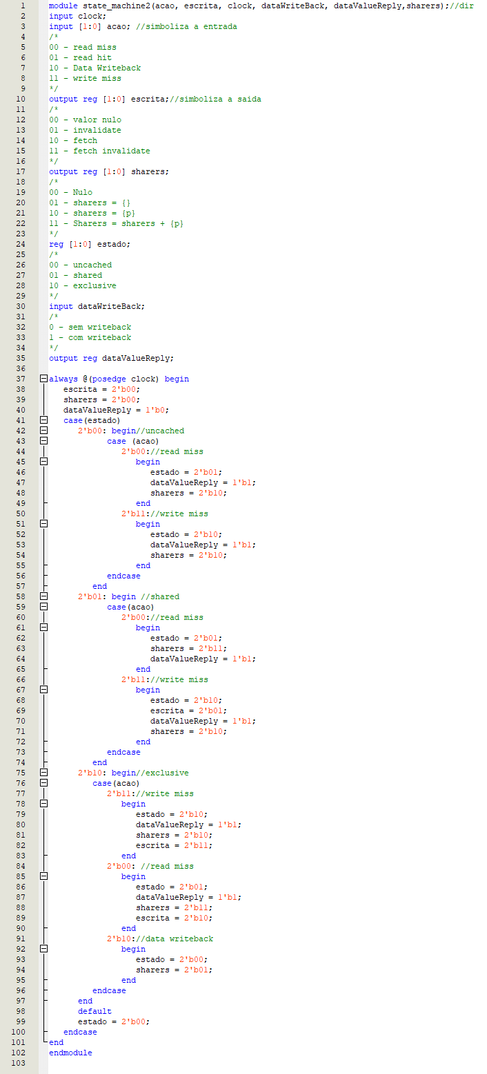

Estado inicial: modified
Fetch invalidate: Modified --> Invalid. Valor Nulo na saída e write back ativo

Já abordado
CORRIGIR OS HITS PARA MISS AO SAIR DO INVALIDATE
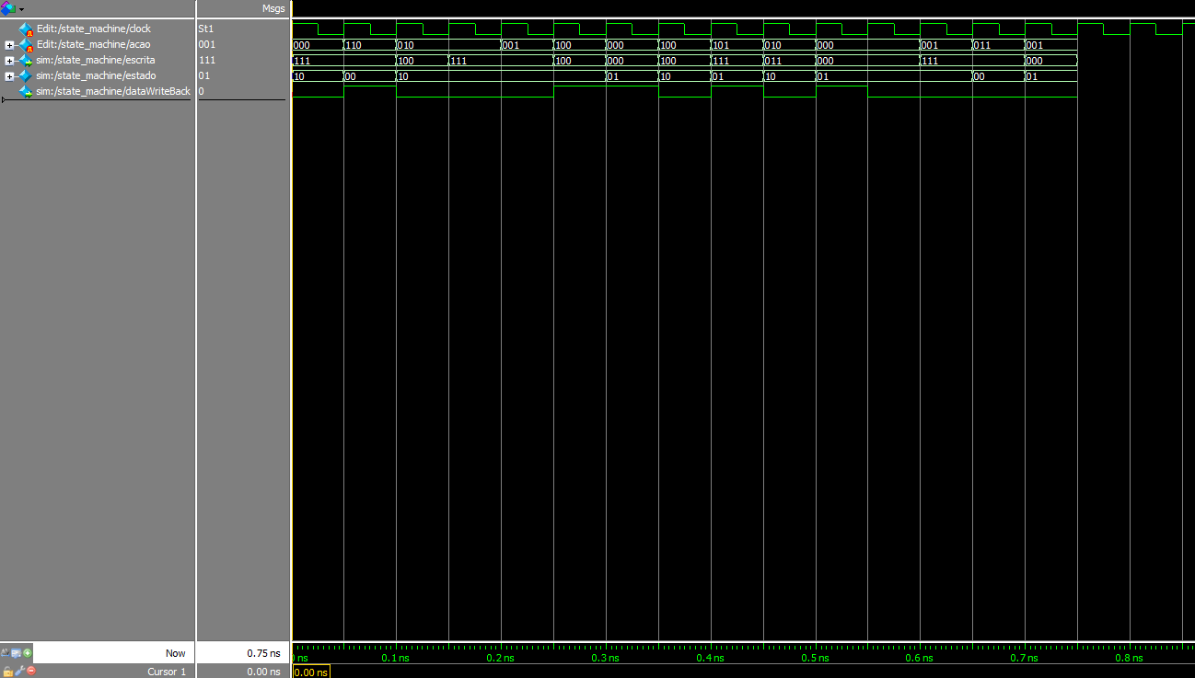
Write miss: invalidate --> Modified. write miss na saída
Read miss: Shared --> Shared. Read Miss na saída
Read miss: Invalid --> Shared. Read Miss na saída
Fetch: Modified --> Shared. Valor nulo na saída e writeback ativo
Write hit: Modified --> Modified
valor nulo na saída

Read hit: Modified --> Modified
valor nulo na saída

Read Hit: Shared --> Shared. Valor nulo na saída

Write miss: Modified --> Modified. write miss na saída e writeback ativo
Read miss: modified --> shared. Read miss na saída e Writeback ativo
Write hit: Shared --> Modified. Invalidate na saída
Invalidate: Shared --> Invalid. Valor nulo na saída
Write Miss: Modified --> shared. Write miss na saída

Maq 2
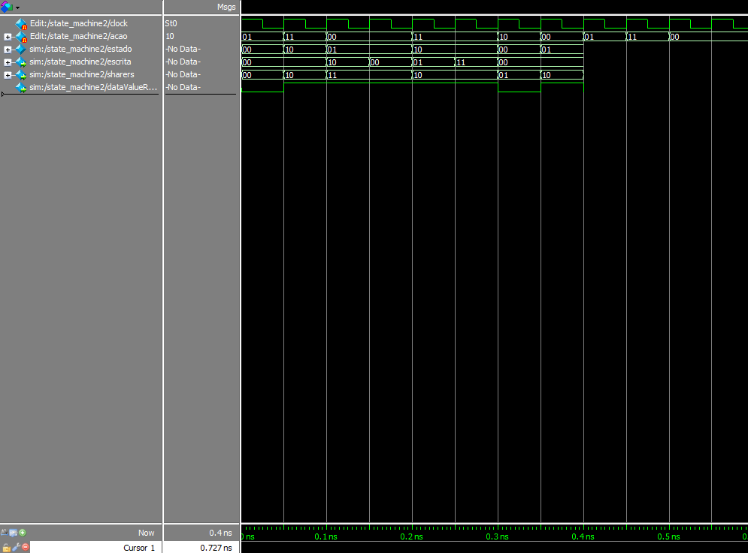

Write miss: Uncached --> Exclusive. Valor Nulo na saída, sharers = {p} e Data value ativo
Read Miss: Uncached --> shared. Vazio na saída, Sharers = {P} e Data Value ativo
Estado inicial: Uncached

Write miss: Exclusive --> Exclusive. Fetch Nulo na saída, Sharers = {P} e Data Value Ativo

Read Miss: Exclusive --> Shared. Fetch na saída, Sharers = sharers + {p} e Data Value Ativo
Write Miss: Uncached --> Exclusive. Invalidate na saída, Sharers = {P} e Data Value Ativo
Data Write Back: Exclusive --> Uncached. Nulo na saída, sharers = {}
Read Miss: Uncached --> Uncached
valor nulo na escrita, sharers = {p} e Data Value Ativo

